Description
Stochastic Gasoline Supply Chain Problem

Author Crystal Ball Team in collaboration with Eric Torkia, MASc, Technology Partnerz Ltd

Summary In this example, we determine the optimum amount of gasoline to transport between different levels of a gasoline supply chain. Our objective is to minimize the total cost, which includes transportation costs and inventory holding costs at various points in the supply chain. We also want to minimize stockouts at various retail outlets. The complexity of the problem arises from the fact that we have stochastic production at the refinery level and stochastic demand at the retail outlet level.

Keywords: Gasoline Supply Chain, stochastic optimization, OptQuest, Inventory

Discussion
We consider a simplified gasoline supply chain situation consisting of 1 refinery, 2 supply depots (SD) and 3 retail outlets (RO). A weekly snapshot of this supply chain is as follows: The refinery produces a variable amount of gasoline every week, which it transports to SD's for cross-docking. SD's supply gasoline to RO's, which realize stochastic demand from end customers. All three supply chain levels (Refinery, SD, and RO) face inventory holding costs. In addition, the RO's face the risk of stockouts for not fulfilling customer demands. We are to determine the amount of gasoline to transport between each level of supply chain to minimize the total operating cost, which we compute as the sum of transportation costs and inventory holding costs. For business reasons, we would like to minimize stockouts at the RO's to a certain extent.

A schematic diagram of the supply chain follows:
SP
SD1
SD2
RO1
RO2
RO3
Supply

The numbers are as follows: 1. Weekly supply of SP follows a Normal distribution with a mean of 2000 gallons and standard deviation (s.d.) of 450 gallons. 2. Weekly demands at RO's are distributed Lognormally with means and s.d.'s of 400 gallons and 50 gallons, 500 gallons and 75 gallons, 650 gallons and 100 gallons respectively at RO1, RO2, RO3. 3. The inventory holding cost is a dollar for every 5 gallons.
4. The transportation costs in dollars/gallon are: SD1 SD2 RO1 RO2 RO3 ----------------- --------------------------------- SP: 15 12.5 SD1: 6.5 7.5 9.0 SD2: 9.0 8.0 7.0
5. Existing inventories in gallons are: Refinery: 200 gallons, SD1: 50 gallons, SD2: 70 gallons, RO1: 120 gallons, RO2: 180 gallons, RO3: 80 gallons.

Other assumptions: 1. There is no capacity limit on transportation links and supply chain points. 2. There is an implicit constraint that the SD's do not have any stockouts. This mathematically implies: Existing Inventory + Supply Received - Demand Fulfilled >= 0

Using Crystal Ball
Crystal Ball enhances an Excel model by letting us create probability distributions that describe the uncertainty surrounding specific input variables. This model includes four probability distributions, referred to in Crystal Ball as "assumptions." These assumptions describe the uncertainty surrounding the production of gasoline at the refinery and the demand fulfilled at each of the retail outlets. Each assumption cell is colored green. To view the details of an assumption, highlight the cell and either select Define Assumption from the Define menu or click on the Define Assumption button on the Crystal Ball toolbar.

This model also includes two Crystal Ball forecasts, shown in light blue. Forecasts are equations, or outputs, that we want to analyze after a simulation. During a simulation, Crystal Ball saves the values in the forecast cells and displays them in a forecast chart, which is a histogram of the simulated values. In this example, we want to analyze the total cost of operation in the supply chain, and the worst case stockout scenario. To view a forecast with Crystal Ball, highlight the cell and either select Define Forecast from the Define menu or click on the Define Forecast button on the toolbar.

When we run a simulation, Crystal Ball generates a random number for each assumption (based on how the assumption has been defined) and places that new value in the cell. Excel then recalculates the model. We can test this by selecting Single Step from the Run menu or clicking on the Single Step button on the toolbar.

Using OptQuest
Now that we have run at least one simulation, we can begin to address optimization using OptQuest. So far, we have run simulations with the supplies (from SP to SD and from SD to RO) fixed at what we thought was reasonable. If we want to change the supply amounts, we can switch them and run a new simulation. This, however, quickly becomes tedious, and we cannot possibly examine all feasible scenarios and find out the best supply amounts which will minimize the total cost and stockouts. With OptQuest, we can run through hundreds of strategies in far less time. In this model, we will use OptQuest to determine how much to supply at each of the SD's and RO's to minimize the total expected cost while maintaining stockouts at RO's at an acceptable level.

OptQuest requires decision variables, which are model variables over which we have control. In this model, we will need to first define these decision variables, which are the eight supply amounts. To define a decision variable, either select Define Decision from the Define menu or click on the Define Decision button on the Crystal Ball toolbar. We set the Variable Type to Continuous. Once defined, each decision variable is colored yellow.

Start OptQuest from the Run menu. Use the OptQuest Wizard to set up the optimization. The problem has one constraint for each of the SD's (as mentioned in the discussion above), one requirement, and one objective: to minimize the mean of the Total Costs forecast. Since we are also concerned about controlling stockouts at RO's, we will set a requirement in the Define Objective window. We will require that 95% of times the amount of maximum stockout (max of the stockouts at each of the RO) is less than 0, so will have to set the 95th percentile for "Worst-case Stockout" less than 0.

Next, we will run the optimization. For each optimization, OptQuest selects a new value within the defined range of the decision variables and runs a Crystal Ball simulation (for example, 2,000 trials). OptQuest then saves the mean Total Cost value and checks to see if the resulting forecast complies with the risk requirement. If the requirement is satisfied, the result is "feasible" and considered good. OptQuest ignores infeasible results. OptQuest then runs another simulation on a new set of decision variables. OptQuest repeats this process, constantly searching for the highest feasible mean Total Cost until it either works through every possible solution or reaches the end of the set running time.

As OptQuest runs, it uses multiple metaheuristic methods and techniques to analyze past results and improve the quality and speed of its process. You can watch OptQuest's progress through the Performance Chart which shows an increasingly flattened line as it converges to an optimal result.

What is the best supply strategy that results in the lowest mean total cost? Once OptQuest is finished, you can copy the optimal results back into the spreadsheet. Our spreadsheet now displays the optimal solution, and Crystal Ball displays the forecast chart for the simulation from the best optimization.

So, the steps for performing optimization would be: 1. First, enter what you think is a reasonable guess for the decision variables in the yellow cells. 2. Run a Monte Carlo simulation using Run > Start Simulation. Note down the values of the mean of total costs and the probability of stockouts. 3. Run OptQuest. Enter the implicit constraint for each of the SD's. Run an optimization for at least 1,000 simulations with 1000 trials per simulation. 4. Compare the forecast results from the Best Solution found by OptQuest to the original forecast results.

Copyright and Contact Information Copyright © 2004, 2015, Oracle and/or its affiliates. All rights reserved. Oracle is a registered trademark of Oracle Corporation and/or its affiliates. Other names may be trademarks of their respective owners.

Model
Gasoline Supply Chain |  |  |  |  |  |  |  | Learn about model
Gas Refining
Gas Storage
Storage to Retail

MODEL INPUTS |  |  |  |  |  |  | MODEL RESULTS
Inv holding cost | $0.20 |  |  |  |  |  |  | Inventory Costs: | $238.00
 |  |  |  |  |  |  |  | Transportation Costs: | $39,887.50
 |  |  |  |  |  |  |  | Total Costs: | $40,125.50
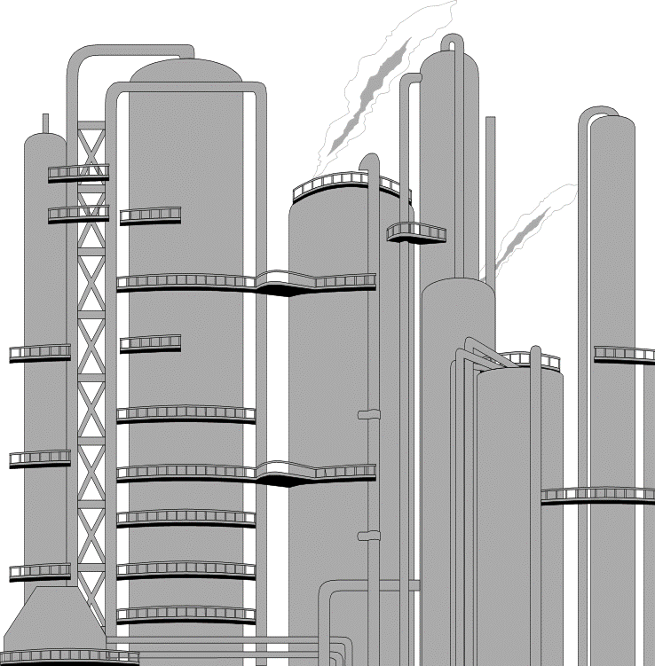
 |  |  |  |  |  |  |  | Worst-case Stockout: | 0
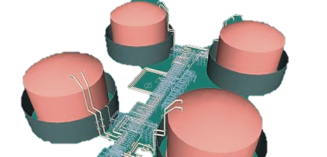

Refinery |  |  | Supply Depots | SD1 | SD2 | Retail Outlets | RO1 | RO2 | RO3
Beginning Inv | 200 |  | Beginning Inv | 50 | 100 | Beginning Inv | 120 | 180 | 80
Production | 2000 |  | Supply received | 165 | 1965 | Supply From SD1 | 80 | 100 | 45
Demand Fulfilled | 2130 |  | Demand Fulfilled | 380 | 1495 | Supply From SD2 | 200 | 310 | 985
Final Inv | 70 |  | Final Inv | -165 | 570 | Supply received | 280 | 410 | 1030
Inv Cost | $14.00 |  | Inv Cost | $0.00 | $114.00 | Demand Fulfilled | 400 | 500 | 650
 |  |  | Transportation Cost | $2,475.00 | $24,562.50 | Final Inv | 0 | 90 | 460
Transportation Costs to: |  |  |  |  |  | Inv Cost | $0.00 | $18.00 | $92.00
Supply Depot 1 | $15.00 |  | Transportation Costs to: |  |  | Transportation Cost | $2,320.00 | $3,230.00 | $7,300.00
Supply Depot 2 | $12.50 |  | To Retail Outlet 1 | $6.50 | $9.00 | Stockouts | 0 | -90 | -460
 | (dollars/gallon) |  | To Retail Outlet 2 | $7.50 | $8.00
 |  |  | To Retail Outlet 3 | $9.00 | $7.00
 |  |  |  |  | (dollars/gallon)

 |  |  | (dollars/gallon)

 |  | (dollars/gallon)

